Sheet1
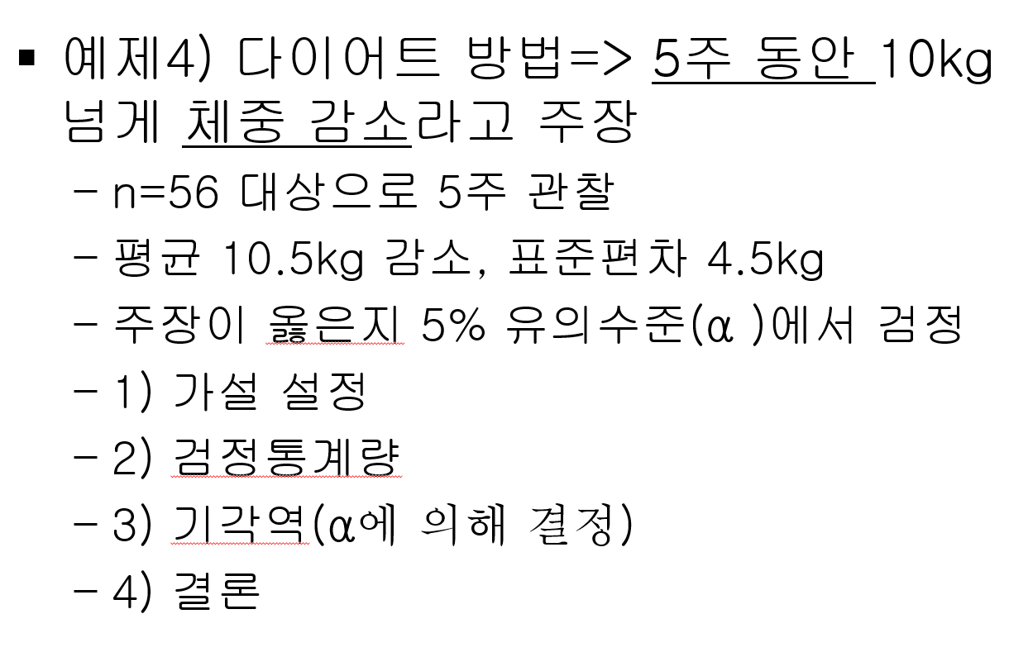
가설
H0 | mu= | 10
H1 | mu> | 10
n |  | 56
xbar |  | 10.5
s |  | 4.5
alpha | 0.05
z(0.05) |  | 1.644853627
z(0.05) |  | 0.83147941928
p-value |  | 0.20285142498
단측검정이면 1-norm.s.dist()

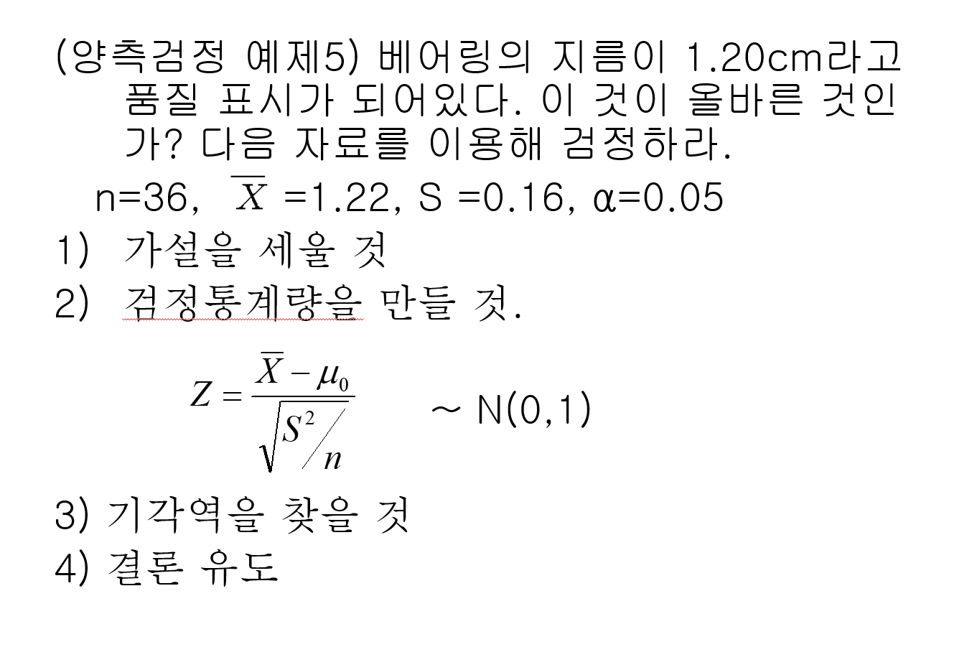
H0 | mu= | 1.2
H1 | mu> | not 1.2
n |  | 36
xbar |  | 1.22
s |  | 0.16
alpha |  | 0.05
z(0.025) |  | 1.9599639845
z(0.05) |  | 0.75
p-value |  | 0.45325470475
양측검정이면 2 * (1-norm.s.dist())

